Sales Contract
SALES CONTRACT
No. ERK0508024
Date. 05th AUG, 2024

Shiper/Seller |  |  |  | Consignee/Buyer
GUANGZHOU BIDA TRADING SERVICE CO.,LTD |  |  |  | EUREKA TRADE AND IMPORT EXPORT COMPANY LIMITED
Add: Room 902, Industrial Building 2, Tian 'An Science Park, No. 555 North Panyu Avenue, Panyu District, Guangzhou City, Guangdong Province, China |  |  |  | Add: No. 3, Alley 56, An Son Lane, Dai La Street, Truong Dinh Ward, Hai Ba Trung District, Hanoi City, Vietnam
Tell/Fax: 020-87350250 |  |  |  | Tell/Fax: 089.858.6633
Email: 189619639@QQ.COM |  |  |  | Email: tuvm@erktransport.com
BANK INFORMATION
Bank name: Development Bank of Singapore HONG KONG BRANCH
Bank address: 11th Floor, The Center, 99 Queen's Road Central, Central, Hong Kong
Account name: GUANGZHOU BIDA TRADING SERVICE CO.,LTD
Account number: 79829000348
Swift code: DHBKHKHH (DHBKHKHHXXX，If 11 characters are required)
Benneficiary address: ROOM 902, INDUSTRIAL BUILDING 2, TIAN 'AN SCIENCE PARK, NO. 555 NORTH PANYU AVENUE, PANYU DISTRICT, GUANGZHOU CITY, GUANGDONG PROVINCE, CHINA
Time of shipment |  | Destination |  |  | Payment. | 100% T/T
September, 2024 |  | From Nansha, China to Hai Phong, Viet Nam |  |  | Term. | FOB NANSHA

I) DESCRIPTIONS OF GOODS: |  | Total 57 set and pieces of goods |  |  | Orgin. | Made in China
No | Product’s name | Description | Unit | Quantity | Unit price (USD) | Total amount (USD)

1 | 4-piece set children's outfit | / | SET | 5 | 67,100 | 335,500
2 | Zuojueshi men's underwear | AXD100089 | PCE | 29 | 0,5400 | 156,600
3 | Square pocket | 23*23CM | PCE | 23 | 0,4200 | 96,600
Total: |  |  |  |  | USD | 588,700
#NAME?
*Note: This sale contract is made by and between the Seller and the Buyer who are two independent, unrelated businesses without a special relationship with each other. The prices and quantities of goods are agreed upon by the two parties based on the normal negotiation.
II) PAYMENT TERMS
100% T/T total amount after B/L issueing
III) PACKING
Export standard packing
IV) OTHER
Part shipment |  | : Allowed
Transhipment |  | : Allowed
V) FORCE MAJEURE
The Sellers shall not be held responsible for non-delivery or late delivery of the goods due to accidents beyond their control. However, the Sellers shall deliver to the Buyers the documentary evidence(s) of force Majeure cause(s).
VI) ARBITRATION
All disputes in connection with this contract or its execution shall be settled by negotiation. In case no settlement can be reached, the case under dispute shall then be submitted to China International Economic and Trade Arbitration Commission in Beijing for arbitration in accordance with its Arbitration Rules. The decision shall be the final and binding upon both parties. The arbitration fees shall be borne by the losing party.
VII) DOCUMENTS
This contract comes into effect from the signing date. Any changes and/ or amendments to this contract and the annex shall be in writing and subject to agreement by both parties.
This contract shall be in English and the parties shall sign 02 copies. Each party shall have 01 copies. E-signing is acceptable.
This contract can be sent by email.
In addition, the seller will send the buyer the following documents:
No. | Name of Documents |  | Quantity | Type | Note
1 | Comercial invoice |  | 3 | original
2 | Packing list |  | 3 | original
3 | Certificate of origin |  | 1 | original | If buyer required
4 | Certificate of Quality and Quantity |  | 1 | original | If buyer required

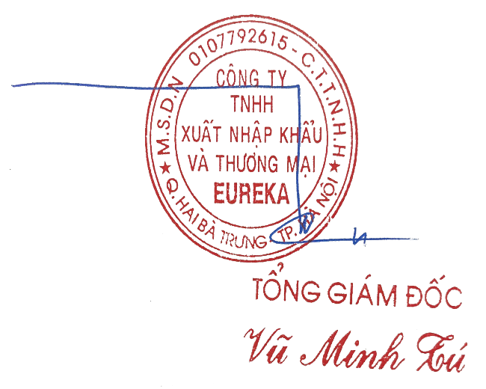

BUYER |  |  |  |  | SELLER
EUREKA TRADE AND EX-IMPORT LTD |  |  |  |  | GUANGZHOU BIDA TRADING SERVICE CO.,LTD

Director |  | Vu Minh Tu |  | Director |  | WANG HAOJUN

